Demographic Data


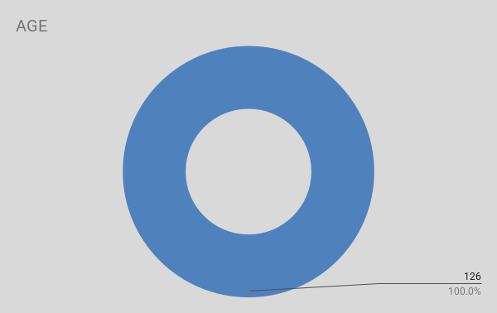
FIRST NAME | LAST NAME | CITY | STATE | ZIPCODE | ETHNICITY | GENDER | AGE

